Battery PCB wiring diagram
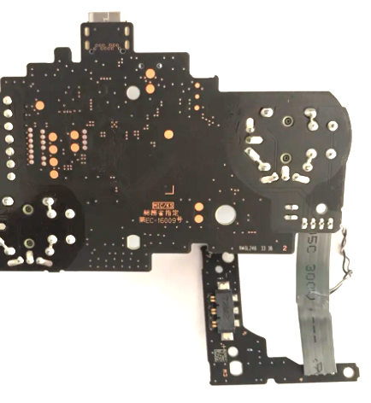
Use orientation shown below for assembly guidelines

LED Orientation
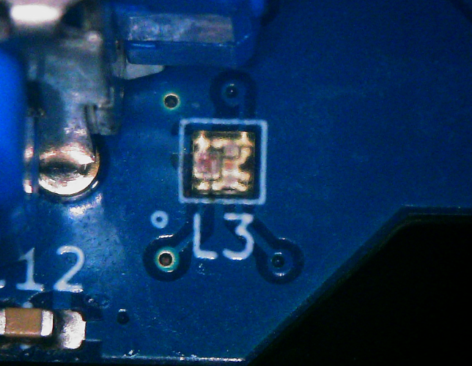
SK6805-EC-10

